Script
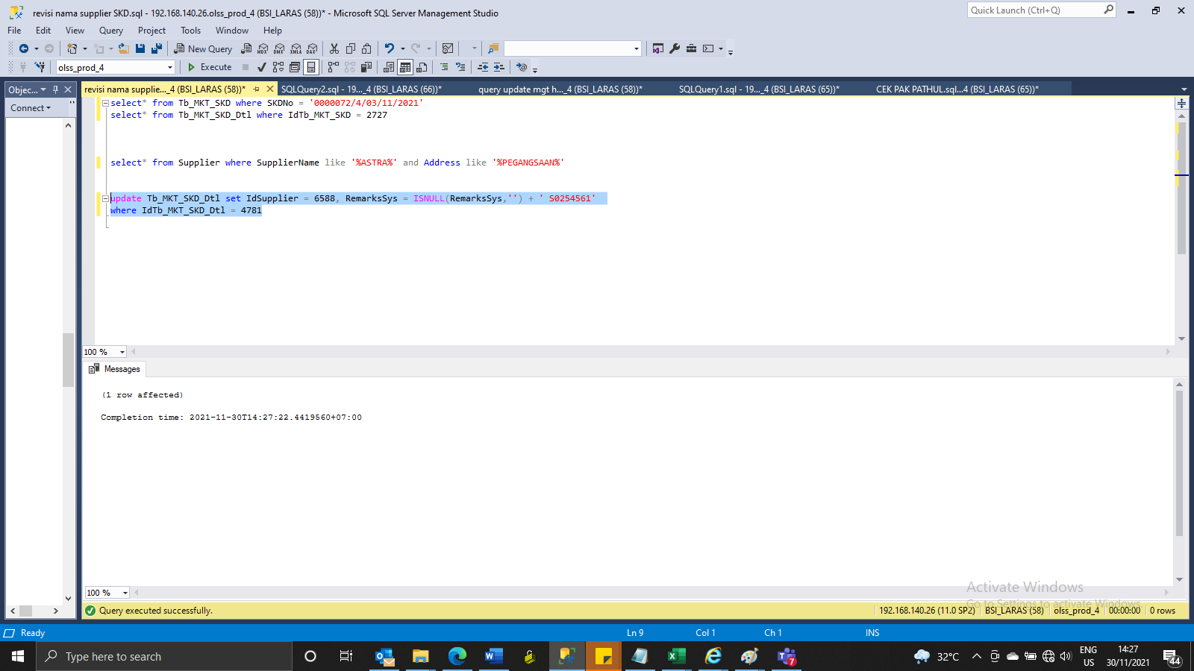
update Tb_MKT_SKD_Dtl set IdSupplier = 6588, RemarksSys = ISNULL(RemarksSys,'') + ' S0254561'
where IdTb_MKT_SKD_Dtl = 4781

Screenshot
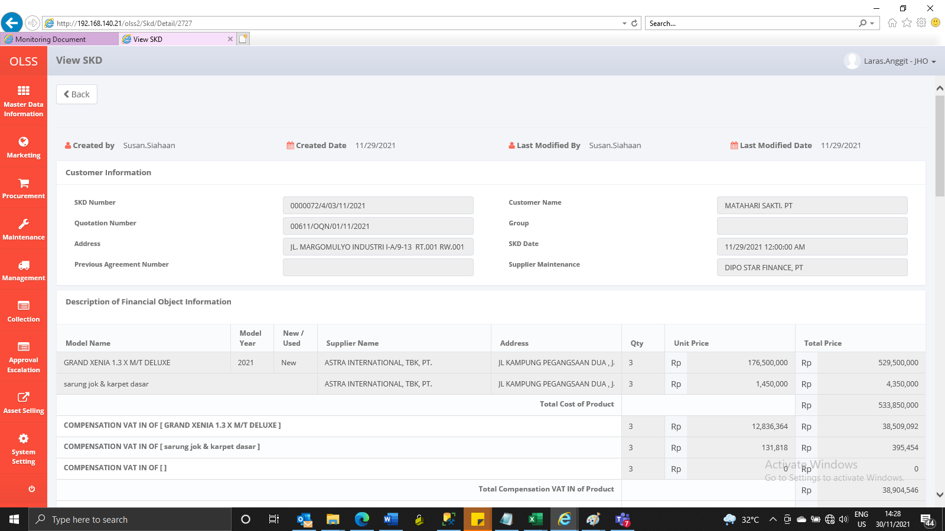
BEFORE


AFTER

